6.2 Accrual 2021
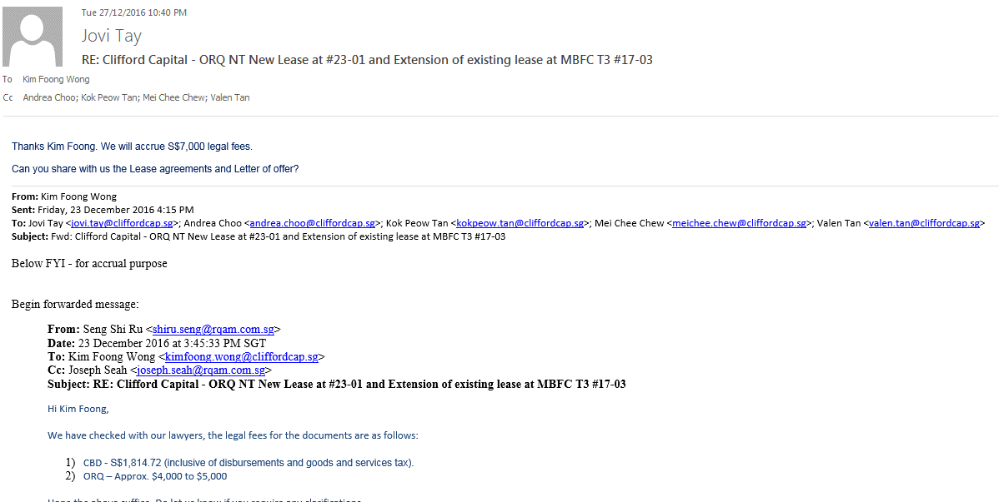
CCH Management Services Pte Ltd
Accruals
 |  | 2121-01-01 | 2121-02-01 | 2121-03-01 | 2121-04-01 | 2121-05-01 | 2121-06-01 | 2121-07-01 | 2121-08-01 | 2121-09-01 | 2121-10-01 | 2121-11-01 | 2121-12-01
Corporate Rate |  | 1.3221000 | 1.32900 | 1.33260 | 1.34480 | 1.33080 | 1.32170
Reval Rate |  | 1.3290000 | 1.33260 | 1.34480 | 1.33080 | 1.32170 | 1.34540

20851 - Accrual Account |  |  |  | SGD | USD

 | Invoice received |  |  | (2,000.02) | (1,415.88)

 | Corporate tax compliance fee FY2020 (SGD5k p.a) |  |  | 4,999.97 | 3,634.73
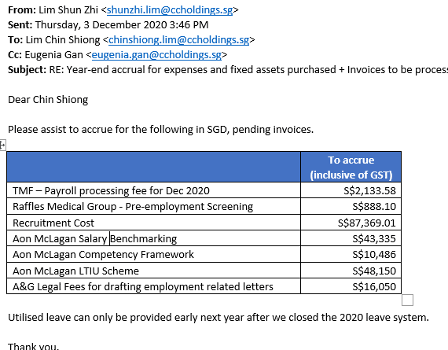
 | Audit fee (SGD12k p.a) |  |  | 0.00 | 0.00

 | GST review fee FY2021 (SGD2k/Qtr) |  |  | 2,000.00 | 1,494.04
 | 2021-01-01 |  |  | 666.67 | 504.25
 | 2021-02-01 |  |  | 666.67 | 501.63
 | 2021-03-01 |  |  | 666.66 | 500.27
 | 2021-04-01 |  |  | 666.67 | 495.74
 | 2021-05-01 |  |  | 666.67 | 500.95
 | 2021-06-01 |  |  | 666.66 | 504.40
 | 5010113516 - Paid in Jun 2021 Q1 |  |  | (2,000.00) | (1,513.20)
 | 2021-07-01 |  |  | 666.67
 | 2021-08-01 |  |  | 666.67
 | 2021-09-01 |  |  | 666.66
 | 2021-10-01 |  |  | 666.67
 | 2021-11-01 |  |  | 666.67
 | 2021-12-01 |  |  | 666.66

 | Corporate tax compliance fee FY2021 (SGD5k p.a) |  |  | 2,500.02 | 1,879.54
 | 2021-01-01 |  |  | 416.67 | 315.16
 | 2021-02-01 |  |  | 416.67 | 313.52
 | 2021-03-01 |  |  | 416.67 | 312.67
 | 2021-04-01 |  |  | 416.67 | 309.84
 | 2021-05-01 |  |  | 416.67 | 313.10
 | 2021-06-01 |  |  | 416.67 | 315.25
 | 2021-07-01 |  |  | 416.67
 | 2021-08-01 |  |  | 416.67
 | 2021-09-01 |  |  | 416.67
 | 2021-10-01 |  |  | 416.67
 | 2021-11-01 |  |  | 416.67
 | 2021-12-01 |  |  | 416.63

 | Audit fee for FY 2021 (SGD13,480 p.a) |  |  | 6,739.98 | 5,067.19
 | 2021-01-01 |  |  | 1,123.33 | 849.66
 | 2021-02-01 |  |  | 1,123.33 | 845.24
 | 2021-03-01 |  |  | 1,123.33 | 842.96
 | 2021-04-01 |  |  | 1,123.33 | 835.31
 | 2021-05-01 |  |  | 1,123.33 | 844.10
 | 2021-06-01 |  |  | 1,123.33 | 849.91
 | 2021-07-01 |  |  | 1,123.33
 | 2021-08-01 |  |  | 1,123.33
 | 2021-09-01 |  |  | 1,123.33
 | 2021-10-01 |  |  | 1,123.33
 | 2021-11-01 |  |  | 1,123.33
 | 2021-12-01 |  |  | 1,123.37

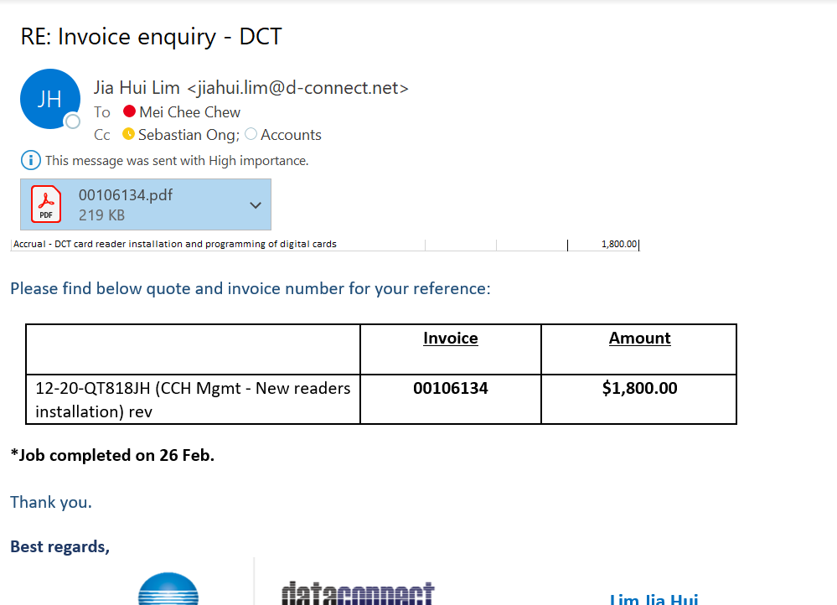
 | Internal Audit fee for FY 2021 (SGD72,280 p.a) |  |  | 36,139.98 | 27,170.43
 | 2021-01-01 |  |  | 6,023.33 | 4,555.88
 | 2021-02-01 |  |  | 6,023.33 | 4,532.23
 | 2021-03-01 |  |  | 6,023.33 | 4,519.98
 | 2021-04-01 |  |  | 6,023.33 | 4,478.98
 | 2021-05-01 |  |  | 6,023.33 | 4,526.10
 | 2021-06-01 |  |  | 6,023.33 | 4,557.26
 | 2021-07-01 |  |  | 6,023.33
 | 2021-08-01 |  |  | 6,023.33
 | 2021-09-01 |  |  | 6,023.33
 | 2021-10-01 |  |  | 6,023.33
 | 2021-11-01 |  |  | 6,023.33
 | 2021-12-01 |  |  | 6,023.37

 | A&G Legal Fees for drafting employment related letters |  |  | 15,000.00 | 11,180.68

 |  |  |  | 67,379.95 | 50,426.61

 | Reval Gain/Loss |  |  |  | (344.88)

 | Revaled amount |  |  |  | 50,081.72

 | FIS BAU Operation and Support (USD 123,600 p.a.) |  |  |  | 81,800.00
 | Accrual - CR25 EIR |  |  |  | 79,500.00
 | Accrual - Finance AGL phase 2 |  |  |  | 176,065.65 | Reverse 37,347.35 5% done

 | Total - 20851 |  |  |  | 387,447.37

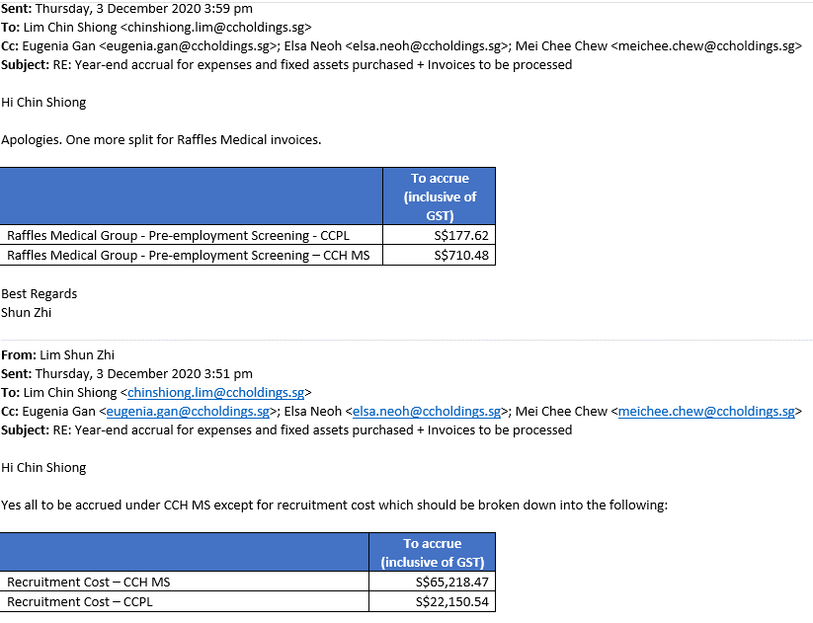
FY2020 | Accrual for Deferred Bonus |  |  | 259,139.83 | 189,651.51
20855 |  |  |  | 23,558.17 | 17,559.76
 |  |  |  | (77,379.00) | (57,676.65)
 |  |  |  | 95,137.50 | 71,392.39
 |  |  |  | 300,456.50 | 220,927.00
 | Reval |  |  |  | 2,394.31
 |  |  |  |  | 223,321.32

FY2021 | Accrual for Bonus FY2021 (SGD 5,462,125.00 p.a) |  |  | 2,731,062.48 | 2,053,242.21
20854 | 2021-01-01 |  |  | 455,177.08 | 344,283.40
 | 2021-02-01 |  |  | 455,177.08 | 342,495.92
 | 2021-03-01 |  |  | 455,177.08 | 341,570.67
 | 2021-04-01 |  |  | 455,177.08 | 338,471.95
 | 2021-05-01 |  |  | 455,177.08 | 342,032.67
 | 2021-06-01 |  |  | 455,177.08 | 344,387.59
 | 2021-07-01 |  |  | 455,177.08
 | 2021-08-01 |  |  | 455,177.08
 | 2021-09-01 |  |  | 455,177.08
 | 2021-10-01 |  |  | 455,177.08
 | 2021-11-01 |  |  | 455,177.08
 | 2021-12-01 |  |  | 455,177.12
 | Reval |  |  |  | (23,316.18)
 |  |  |  |  | 2,029,926.03

 | Accrual for CPF on bonus for FY2021 (SGD 244,800.00 p.a) |  |  | 122,400.00 | 92,021.64
20856 | 2021-01-01 |  |  | 20,400.00 | 15,430.00
 | 2021-02-01 |  |  | 20,400.00 | 15,349.89
 | 2021-03-01 |  |  | 20,400.00 | 15,308.42
 | 2021-04-01 |  |  | 20,400.00 | 15,169.54
 | 2021-05-01 |  |  | 20,400.00 | 15,329.13
 | 2021-06-01 |  |  | 20,400.00 | 15,434.67
 | 2021-07-01 |  |  | 20,400.00
 | 2021-08-01 |  |  | 20,400.00
 | 2021-09-01 |  |  | 20,400.00
 | 2021-10-01 |  |  | 20,400.00
 | 2021-11-01 |  |  | 20,400.00
 | 2021-12-01 |  |  | 20,400.00
 | Reval |  |  |  | (1,044.98)
 |  |  |  |  | 90,976.66

 | Accrual for deferred bonus FY2021 (SGD 376,000) |  |  | 188,000.00 | 141,340.43
20855 | 2021-01-01 |  |  | 31,333.33 | 23,699.67
 | 2021-02-01 |  |  | 31,333.33 | 23,576.62
 | 2021-03-01 |  |  | 31,333.33 | 23,512.93
 | 2021-04-01 |  |  | 31,333.33 | 23,299.62
 | 2021-05-01 |  |  | 31,333.33 | 23,544.73
 | 2021-06-01 |  |  | 31,333.33 | 23,706.84
 | 2021-07-01 |  |  | 31,333.33
 | 2021-08-01 |  |  | 31,333.33
 | 2021-09-01 |  |  | 31,333.33
 | 2021-10-01 |  |  | 31,333.33
 | 2021-11-01 |  |  | 31,333.33
 | 2021-12-01 |  |  | 31,333.33
 | Reval |  |  |  | (1,605.03)
 |  |  |  |  | 139,735.39

 |  |  |  | SGD | USD
 | Accrual for CPF on Salaries |  |  | 91,706.50 | 69,364.27
20858 | Reval |  |  |  | (1,201.27)
 |  |  |  |  | 68,163.00

4 FA Detail (US$)_Jun21
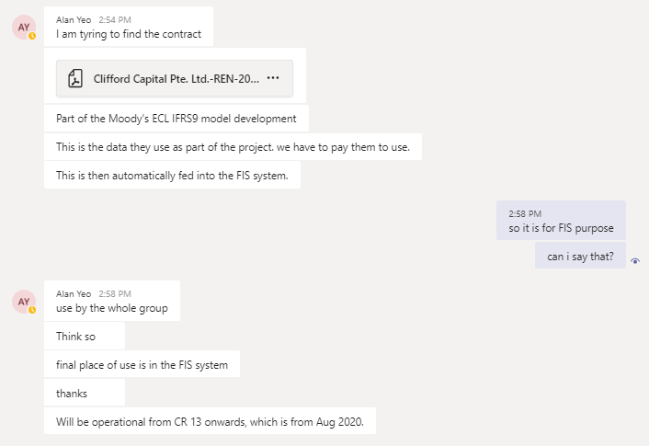
CCH Management Services Pte Ltd
Fixed asset register |  |  | 2021-06-30 |  | Bayfront

 |  |  |  |  | Original COST (S$) | COST (US$) |  |  |  | DEPRECIATION (US$) |  |  |  |  |  |  |  |  |  |  |  |  |  |  | NBV (US$) |  | Monthly
Invoice | Invoice | Depreciation |  |  | As at | As at |  |  | As at | As at | 2021-01-01 | 2021-02-01 | 2121-03-01 | 2121-04-01 | 2121-05-01 | 2121-06-01 | 2121-07-01 | 2121-08-01 | 2121-09-01 | 2121-10-01 | 2121-11-01 | 2121-12-01 | Accumulated Dep |  | As at |  | depn chg
date | Number | Start Date | Description |  | Current Month | 01/01/2021 | additions | disposals | 2021-12-31 | 01/01/2021 |  |  |  |  |  |  |  |  |  |  |  |  | 2021-12-31 |  | Current Month |  | US$

 |  |  | Depreciation up to 30 November 2022
 |  |  | Office lease 1 December 2017 to 30 November 2022

2020-04-01 |  | 2017-11-09 | [Renovation] - General Construction, Mechanical & Electrical works (1st Billing 30%) | 0 | 241,588.00 | 90,632.86 |  |  | 90,632.86 | 26,312.76 | 2,923.64 | 2,923.64 | 2,923.64 | 2,923.64 | 2,923.64 | 2,923.64 |  |  |  |  |  |  | 43,854.60 |  | 46,778.26 |  | 2,923.64 | 31.000006841
2020-04-01 |  | 2017-11-09 | [Renovation] - General Construction, Mechanical & Electrical works (2nd Billing 35%) and change request | 0 | 325,193.90 | 123,778.45 |  |  | 123,778.45 | 35,935.67 | 3,992.85 | 3,992.85 | 3,992.85 | 3,992.85 | 3,992.85 | 3,992.85 |  |  |  |  |  |  | 59,892.77 |  | 63,885.68 |  | 3,992.85 | 31.000025045
2020-04-01 |  | 2017-11-09 | [Renovation] - General Construction, Mechanical $ Electrical works (3rd Billing 30%) | 0 | 241,588.20 | 91,657.88 |  |  | 91,657.88 | 26,610.28 | 2,956.71 | 2,956.71 | 2,956.71 | 2,956.71 | 2,956.71 | 2,956.71 |  |  |  |  |  |  | 44,350.54 |  | 47,307.34 |  | 2,956.70 | 31.000060879
2020-04-01 |  | 2017-11-09 | [Renovation] - Retention works (Final Billing 5%) | 0 | 40,264.70 | 15,276.33 |  |  | 15,276.33 | 4,435.06 | 492.78 | 492.78 | 492.78 | 492.78 | 492.78 | 492.78 |  |  |  |  |  |  | 7,391.74 |  | 7,884.59 |  | 492.78 | 31.000304395
2020-04-01 |  | 2017-11-30 | Reinstatement costs - ORQ |  | 279,553.26 | 107,129.80 |  |  | 107,129.80 | 31,102.20 | 3,455.80 | 3,455.80 | 3,455.80 | 3,455.80 | 3,455.80 | 3,455.80 |  |  |  |  |  |  | 51,837.00 |  | 55,292.80 |  | 3,455.80 | 30.999998729
2020-04-01 |  | 2017-12-01 | [Renovation] - Interior Fitting out works (Change Request) |  | 7,531.20 | 2,979.22 |  |  | 2,979.22 | 837.90 | 93.10 | 93.10 | 93.10 | 93.10 | 93.10 | 93.10 |  |  |  |  |  |  | 1,396.50 |  | 1,582.72 |  | 93.10 | 32.000214823
2020-04-01 |  | 2018-07-02 | [Alteration] - Blackout Blinds |  | 11,193.00 | 5,250.36 |  |  | 5,250.36 | 1,211.69 | 134.62 | 134.62 | 134.62 | 134.62 | 134.62 | 134.62 |  |  |  |  |  |  | 2,019.41 |  | 3,230.95 |  | 134.63 | 38.998440169
2020-04-01 |  | 2020-01-07 | Renovation-General Construction, Mechanical & Electrical works 2019 (1st 30%) |  | 53,778.00 | 37,557.23 |  |  | 37,557.23 | 5,930.08 | 658.90 | 658.90 | 658.90 | 658.90 | 658.90 | 658.90 |  |  |  |  |  |  | 9,883.48 |  | 27,673.75 |  | 658.90 | 56.999893762
2020-04-01 |  | 2020-01-07 | Renovation-General Construction, Mechanical & Electrical works 2019 (2nd 67.5%) |  | 122,050.50 | 86,161.83 |  |  | 86,161.83 | 13,604.49 | 1,511.61 | 1,511.61 | 1,511.61 | 1,511.61 | 1,511.61 | 1,511.61 |  |  |  |  |  |  | 22,674.15 |  | 63,487.68 |  | 1,511.61 | 57.000039693
2020-06-16 | 202006039 | 2020-01-07 | Renovation-General Construction, Mechanical & Electrical works 2019 (3rd 2.5%) |  | 4,481.50 | 3,170.50 |  |  | 3,170.50 | 634.11 | 52.84 | 52.84 | 52.84 | 52.84 | 52.84 | 52.84 |  |  |  |  |  |  | 951.15 |  | 2,219.35 |  | 52.84 | 60

 |  |  | Total - Renovations (18310) |  | 1,327,222.26 | 563,594.46 | 0.00 | 0.00 | 563,594.46 | 146,614.24 | 16,272.85 | 16,272.85 | 16,272.85 | 16,272.85 | 16,272.85 | 16,272.85 | 0.00 | 0.00 | 0.00 | 0.00 | 0.00 | 0.00 | 244,251.34 |  | 319,343.12 |  | 16,220.01
 |  |  |  |  |  |  | 0.00 |  | #REF! |  |  |  |  |  |  |  |  |  |  |  |  |  | 0.00

 |  |  | Straight Line - 5 years

 |  |  | General Workstation (9 Qty) |  | - | - |  |  | 0.00 | - | 0.00 |  |  |  |  |  |  |  |  |  |  |  | 0.00 |  | 0.00 |  | 0.00

 |  |  | Staff Chairs (9 Qty) |  | - | - |  |  | 0.00 | - | 0.00 |  |  |  |  |  |  |  |  |  |  |  | 0.00 |  | 0.00 |  | 0.00

 |  |  | Office Furniture |  | - | - |  |  | 0.00 | - | 0.00 |  |  |  |  |  |  |  |  |  |  |  | 0.00 |  | 0.00 |  | 0.00

 |  |  | Total - Fixtures |  | 0.00 | 0.00 | 0.00 | 0.00 | 0.00 | 0.00 | 0.00 |  |  |  |  |  |  |  |  |  |  |  | 0.00 |  | 0.00 |  | 0.00

 |  |  | Straight Line - 3 years

 |  |  | General Workstation (9 Qty) |  | - | - |  |  | 0.00 | - | 0.00 |  |  |  |  |  |  |  |  |  |  |  | 0.00 |  | 0.00 |  | 0.00

 |  |  | Total - Computer software |  | 0.00 | 0.00 | 0.00 | 0.00 | 0.00 | 0.00 | 0.00 |  |  |  |  |  |  |  |  |  |  |  | 0.00 |  | 0.00 |  | 0.00

 |  |  | Straight Line - 3 years

2012-06-07 |  | 2012-07-01 | LCD TV and Wall Mount Bracket |  | 6,950.00 | 5,468.14 |  |  | 5,468.14 | 5,468.14 |  |  |  |  |  |  |  |  |  |  |  |  | 5,468.14 |  | 0.00 |  | 0.00
2012-10-01 |  | 2012-10-01 | Window Server Standard 2008R2 |  | 1,020.00 | 835.85 |  |  | 835.85 | 835.85 |  |  |  |  |  |  |  |  |  |  |  |  | 835.85 |  | 0.00 |  | 0.00
2015-12-17 |  | 2015-12-01 | Data Connect : Powervault MD3200I |  | 17,955.00 | 18,762.81 |  |  | 18,762.81 | 18,762.81 |  |  |  |  |  |  |  |  |  |  |  |  | 18,762.81 |  | 0.00 |  | 0.00
2017-03-30 |  | 2017-04-01 | Canon Printer C5560I |  | 19,800.00 | 14,169.17 |  |  | 14,169.17 | 14,169.17 |  |  |  |  |  |  |  |  |  |  |  |  | 14,169.17 |  | 0.00 |  | 0.00
2017-11-27 |  | 2017-12-01 | Structured Cabling |  | 27,040.00 | 4,456.88 |  |  | 4,456.88 | 4,456.88 |  |  |  |  |  |  |  |  |  |  |  |  | 4,456.88 |  | 0.00 |  | 557.11
2017-11-27 |  | 2017-12-01 | Server room set-up |  | 20,850.00 | 3,436.61 |  |  | 3,436.61 | 3,436.61 |  |  |  |  |  |  |  |  |  |  |  |  | 3,436.61 |  | 0.00 |  | 429.58
2017-11-27 |  | 2017-12-01 | Server Hardware |  | 25,995.00 | 4,284.65 |  |  | 4,284.65 | 4,284.65 |  |  |  |  |  |  |  |  |  |  |  |  | 4,284.65 |  | 0.00 |  | 535.58
2017-11-27 |  | 2017-12-01 | Remote controller for HR and LCD room |  | 900.00 | 148.36 |  |  | 148.36 | 148.35 |  |  |  |  |  |  |  |  |  |  |  |  | 148.35 |  | 0.01 |  | 18.54
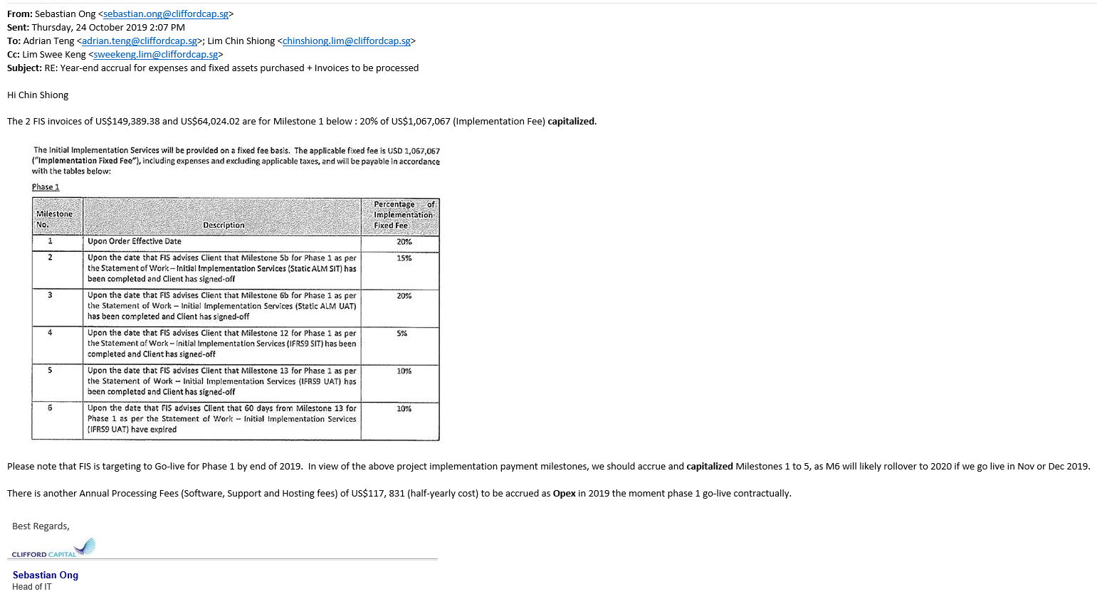
2017-11-27 |  | 2017-12-01 | Structured Cabling (Addition) |  | 360.00 | 59.35 |  |  | 59.35 | 59.35 |  |  |  |  |  |  |  |  |  |  |  |  | 59.35 |  | 0.00 |  | 7.42
2017-11-27 |  | 2017-12-01 | HID multiclass RPK48 contactless smart card keypad reader |  | 1,550.00 | 255.51 |  |  | 255.51 | 255.50 |  |  |  |  |  |  |  |  |  |  |  |  | 255.50 |  | 0.01 |  | 31.93
2017-11-27 |  | 2017-12-01 | Supple and Install external door bypass (Server room, pantry and main door) |  | 750.00 | 123.64 |  |  | 123.64 | 123.63 |  |  |  |  |  |  |  |  |  |  |  |  | 123.63 |  | 0.01 |  | 15.45
2018-08-03 |  | 2018-08-01 | Barracuda Link Balancer 330 |  | 0.00 | 5,066.66 |  |  | 5,066.66 | 2,849.99 | 316.67 | 316.67 | 316.67 | 316.67 | 316.67 | 316.67 |  |  |  |  |  |  | 4,750.01 |  | 316.65 |  | 316.67
2018-12-17 |  | 2019-10-01 | Beyondtrust - Privilege Access Management (PAM) |  | 0.00 | 49,916.67 |  |  | 49,916.67 | 14,975.00 | 1,663.89 | 1,663.89 | 1,663.89 | 1,663.89 | 1,663.89 | 1,663.89 |  |  |  |  |  |  | 24,958.34 |  | 24,958.33 |  | 1,663.89
2019-10-08 |  | 2019-11-01 | Cisco Core and Edge access switch |  | 60,435.00 | 38,257.20 |  |  | 38,257.20 | 11,106.92 | 1,234.10 | 1,234.10 | 1,234.10 | 1,234.10 | 1,234.10 | 1,234.10 |  |  |  |  |  |  | 18,511.52 |  | 19,745.68 |  | 1,234.10
2020-01-15 | RN0821987 | 2020-01-01 | Canon Printer C5560I (BIM) |  | 19,800.00 | 13,487.40 |  |  | 13,487.40 | 3,678.38 | 408.71 | 408.71 | 408.71 | 408.71 | 408.71 | 408.71 |  |  |  |  |  |  | 6,130.64 |  | 7,356.76 |  | 408.71
2020-01-22 | 00103835 | 2020-01-01 | Structured cabling for office renovation |  | 13,440.00 | 9,155.07 |  |  | 9,155.07 | 2,496.83 | 277.43 | 277.43 | 277.43 | 277.43 | 277.43 | 277.43 |  |  |  |  |  |  | 4,161.41 |  | 4,993.66 |  | 277.43

 |  |  | Total - IT Hardware (18210) |  | 216,845.00 | 167,883.97 | 0.00 | 0.00 | 167,883.97 | 87,108.06 | 3,900.80 | 3,900.80 | 3,900.80 | 3,900.80 | 3,900.80 | 3,900.80 | 0.00 | 0.00 | 0.00 | 0.00 | 0.00 | 0.00 | 110,512.86 |  | 57,371.11 |  | 5,496.41
 |  |  |  |  |  |  | 0.00 |  | #REF! |  |  |  |  |  |  |  |  |  |  |  |  |  | 19,503.97

2015-06-30 |  | 2015-10-01 | Stone Apple Sol : 30% Oracle Fusion Fin Cloud [Dep end 30 Sep 18] |  | 22,500.00 | 16,712.60 |  |  | 16,712.60 | 16,712.60 |  |  |  |  | 0.00 | 0.00 |  |  |  |  |  |  | 16,712.60 |  | 0.00 |  | 0.00
2015-08-18 |  | 2015-10-01 | Stone Apple Sol : 20% Oracle Fusion Fin Cloud [Dep end 30 Sep 18] |  | 15,000.00 | 10,628.35 |  |  | 10,628.35 | 10,628.35 |  |  |  |  | 0.00 | 0.00 |  |  |  |  |  |  | 10,628.35 |  | 0.00 |  | 0.00
2015-10-13 |  | 2015-11-01 | Stone Apple Sol : 30% Oracle Fusion Fin Cloud [Dep end 30 Sep 18] |  | 22,500.00 | 15,935.86 |  |  | 15,935.86 | 15,935.86 |  |  |  |  | 0.00 | 0.00 |  |  |  |  |  |  | 15,935.86 |  | 0.00 |  | 0.00
2015-12-17 |  | 2015-12-01 | Stone Apple Sol: 10% Oracle Fusion Fin Cloud [Dep end 30 Sep 18] |  | 7,500.00 | 5,302.22 |  |  | 5,302.22 | 5,302.22 |  |  |  |  | 0.00 | 0.00 |  |  |  |  |  |  | 5,302.22 |  | 0.00 |  | 0.00
2016-02-10 |  | 2016-02-01 | Stone Apple Sol: 10% Oracle Fusion Fin Cloud [Final] [Dep end 30 Sep 18] |  | 7,500.00 | 5,270.78 |  |  | 5,270.78 | 5,270.78 |  |  |  |  | 0.00 | 0.00 |  |  |  |  |  |  | 5,270.78 |  | 0.00 |  | 0.00
2016-02-22 |  | 2016-04-01 | Firewall Deployment |  | 15,340.00 | 11,380.16 |  |  | 11,380.16 | 11,380.16 |  |  |  |  | 0.00 | 0.00 |  |  |  |  |  |  | 11,380.16 |  | 0.00 |  | 0.00
2019-09-19 |  | 2020-04-01 | FIS - Valuation data (1st billing) - True North |  |  | 36,395.20 |  |  | 36,395.20 | 9,098.80 | 1,010.98 | 1,010.98 | 1,010.98 | 1,010.98 | 1,010.98 | 1,010.98 |  |  |  |  |  |  | 15,164.68 |  | 21,230.52 |  | 0.00
2019-11-11 |  | 2020-04-01 | FIS - Valuation data (2nd billing) - True North |  |  | 21,837.12 |  |  | 21,837.12 | 5,459.28 | 606.59 | 606.59 | 606.59 | 606.59 | 606.59 | 606.59 |  |  |  |  |  |  | 9,098.82 |  | 12,738.30 |  | 0.00
2019-12-05 |  | 2020-04-01 | FIS - Valuation data (3rd billing) - True North |  |  | 21,837.12 |  |  | 21,837.12 | 5,459.28 | 606.59 | 606.59 | 606.59 | 606.59 | 606.59 | 606.59 |  |  |  |  |  |  | 9,098.82 |  | 12,738.30 |  | 0.00
2020-01-20 |  | 2020-04-01 | FIS - Valuation data (4th billing) - True North |  |  | 10,918.56 |  |  | 10,918.56 | 2,729.64 | 303.29 | 303.29 | 303.29 | 303.29 | 303.29 | 303.29 |  |  |  |  |  |  | 4,549.38 |  | 6,369.18 |  | 0.00
2020-04-30 |  | 2020-04-01 | FIS - Valuation data (5th billing) - True North |  |  | 48,527.24 |  |  | 48,527.24 | 12,131.81 | 1,347.98 | 1,347.98 | 1,347.98 | 1,347.98 | 1,347.98 | 1,347.98 |  |  |  |  |  |  | 20,219.69 |  | 28,307.55 |  | 0.00
2020-09-25 |  | 2020-04-01 | FIS - Valuation data (6th billing) - True North |  |  | 46,153.00 |  |  | 46,153.00 | 11,538.25 | 1,282.03 | 1,282.03 | 1,282.03 | 1,282.03 | 1,282.03 | 1,282.03 |  |  |  |  |  |  | 19,230.43 |  | 26,922.57 |  | 0.00
2019-06-04 |  | 2020-04-01 | FIS Global Project - Secondment fee (May'19) |  | 7,878.00 | 5,733.63 |  |  | 5,733.63 | 1,274.14 | 159.27 | 159.27 | 159.27 | 159.27 | 159.27 | 159.27 |  |  |  |  |  |  | 2,229.76 |  | 3,503.87 |  | 0.00
2019-07-11 |  | 2020-05-01 | FIS Global Project - Secondment fee (June'19) |  | 23,634.00 | 17,466.56 |  |  | 17,466.56 | 3,881.45 | 485.18 | 485.18 | 485.18 | 485.18 | 485.18 | 485.18 |  |  |  |  |  |  | 6,792.53 |  | 10,674.03 |  | 0.00
2019-08-14 |  | 2020-05-01 | FIS Global Project - Secondment fee (July'19) |  | 28,886.00 | 21,017.17 |  |  | 21,017.17 | 4,670.48 | 583.81 | 583.81 | 583.81 | 583.81 | 583.81 | 583.81 |  |  |  |  |  |  | 8,173.34 |  | 12,843.83 |  | 0.00
2019-09-19 |  | 2020-05-01 | FIS Global Project - Secondment fee (August'19) |  | 23,432.00 | 16,890.36 |  |  | 16,890.36 | 3,753.41 | 469.18 | 469.18 | 469.18 | 469.18 | 469.18 | 469.18 |  |  |  |  |  |  | 6,568.49 |  | 10,321.87 |  | 0.00
2019-10-08 |  | 2020-05-01 | FIS Global Project - Secondment fee (September'19) |  | 4,560.00 | 3,299.57 |  |  | 3,299.57 | 733.23 | 91.65 | 91.65 | 91.65 | 91.65 | 91.65 | 91.65 |  |  |  |  |  |  | 1,283.13 |  | 2,016.44 |  | 0.00
2019-10-08 |  | 2020-05-01 | FIS Global Project - Secondment fee (September'19) |  | 50,803.00 | 36,760.50 |  |  | 36,760.50 | 8,169.00 | 1,021.13 | 1,021.13 | 1,021.13 | 1,021.13 | 1,021.13 | 1,021.13 |  |  |  |  |  |  | 14,295.78 |  | 22,464.72 |  | 0.00
2019-09-03 |  | 2020-05-01 | FIS Global Project - Secondment fee (September'19) |  | 19,695.00 | 14,196.65 |  |  | 14,196.65 | 3,154.81 | 394.35 | 394.35 | 394.35 | 394.35 | 394.35 | 394.35 |  |  |  |  |  |  | 5,520.91 |  | 8,675.74 |  | 0.00
2019-11-04 |  | 2020-05-01 | FIS Global Project - Secondment fee (October'19) Finance |  | 16,720.00 | 12,291.41 |  |  | 12,291.41 | 2,731.42 | 341.43 | 341.43 | 341.43 | 341.43 | 341.43 | 341.43 |  |  |  |  |  |  | 4,780.00 |  | 7,511.41 |  | 0.00
2019-11-12 |  | 2020-05-01 | FIS Global Project - Secondment fee (October'19) |  | 46,056.00 | 33,857.23 |  |  | 33,857.23 | 7,523.82 | 940.48 | 940.48 | 940.48 | 940.48 | 940.48 | 940.48 |  |  |  |  |  |  | 13,166.70 |  | 20,690.53 |  | 0.00
2019-12-03 |  | 2020-05-01 | FIS Global Project - Secondment fee (November'19) |  | 15,960.00 | 11,669.23 |  |  | 11,669.23 | 2,593.16 | 324.15 | 324.15 | 324.15 | 324.15 | 324.15 | 324.15 |  |  |  |  |  |  | 4,538.06 |  | 7,131.17 |  | 0.00
2019-12-11 |  | 2020-05-01 | FIS Global Project - Secondment fee (November'19) |  | 56,661.00 | 41,427.94 |  |  | 41,427.94 | 9,206.20 | 1,150.78 | 1,150.78 | 1,150.78 | 1,150.78 | 1,150.78 | 1,150.78 |  |  |  |  |  |  | 16,110.88 |  | 25,317.06 |  | 0.00
2019-12-31 |  | 2020-05-01 | FIS Global Project - Secondment fee (December'19) |  | 43,935.00 | 32,648.44 |  |  | 32,648.44 | 7,255.20 | 906.90 | 906.90 | 906.90 | 906.90 | 906.90 | 906.90 |  |  |  |  |  |  | 12,696.60 |  | 19,951.84 |  | 0.00
2020-01-06 |  | 2020-05-01 | FIS Global Project - Finance (December'19) |  | 10,830.00 | 8,047.86 |  |  | 8,047.86 | 1,788.41 | 223.55 | 223.55 | 223.55 | 223.55 | 223.55 | 223.55 |  |  |  |  |  |  | 3,129.71 |  | 4,918.15 |  | 0.00
2020-02-02 |  | 2020-05-01 | FIS Global Project - Finance (January'20) |  | 14,440.00 | 10,580.30 |  |  | 10,580.30 | 2,351.17 | 293.90 | 293.90 | 293.90 | 293.90 | 293.90 | 293.90 |  |  |  |  |  |  | 4,114.57 |  | 6,465.73 |  | 0.00
2020-01-31 |  | 2020-05-01 | FIS Global Project - Secondment fee (January'20) |  | 46,864.00 | 34,337.64 |  |  | 34,337.64 | 7,630.58 | 953.82 | 953.82 | 953.82 | 953.82 | 953.82 | 953.82 |  |  |  |  |  |  | 13,353.50 |  | 20,984.14 |  | 0.00
2020-03-09 |  | 2020-05-01 | FIS Global Project - Finance (February'20) |  | 16,150.00 | 11,592.02 |  |  | 11,592.02 | 2,576.00 | 322.00 | 322.00 | 322.00 | 322.00 | 322.00 | 322.00 |  |  |  |  |  |  | 4,508.00 |  | 7,084.02 |  | 0.00
2020-03-06 |  | 2020-05-01 | FIS Global Project - Secondment fee (February'20) |  | 57,267.00 | 41,104.65 |  |  | 41,104.65 | 9,134.36 | 1,141.80 | 1,141.80 | 1,141.80 | 1,141.80 | 1,141.80 | 1,141.80 |  |  |  |  |  |  | 15,985.16 |  | 25,119.49 |  | 0.00
2020-04-30 |  | 2020-05-01 | FIS Global Project - Finance and PWC secondment fee (March'20) |  | 78,469.20 | 55,182.28 |  |  | 55,182.28 | 12,262.72 | 1,532.84 | 1,532.84 | 1,532.84 | 1,532.84 | 1,532.84 | 1,532.84 |  |  |  |  |  |  | 21,459.76 |  | 33,722.52 |  | 0.00
2020-05-01 | MaureenLGK_Apr20 | 2020-05-01 | FIS Global Project - Finance (Apr20) |  | 17,442.00 | 12,371.09 |  |  | 12,371.09 | 2,749.13 | 343.64 | 343.64 | 343.64 | 343.64 | 343.64 | 343.64 |  |  |  |  |  |  | 4,810.97 |  | 7,560.12 |  | 0.00
2020-05-29 | SPP40551096 | 2020-05-01 | FIS Global Project - Secondment fee (Apr20) |  | 61,509.00 | 43,626.50 |  |  | 43,626.50 | 9,694.77 | 1,211.85 | 1,211.85 | 1,211.85 | 1,211.85 | 1,211.85 | 1,211.85 |  |  |  |  |  |  | 16,965.87 |  | 26,660.63 |  | 0.00
2019-12-01 |  | 2020-05-01 | FIS - CCPL Adaptive (Milestone 1) |  |  | 149,389.38 |  |  | 149,389.38 | 33,197.64 | 4,149.71 | 4,149.71 | 4,149.71 | 4,149.71 | 4,149.71 | 4,149.71 |  |  |  |  |  |  | 58,095.90 |  | 91,293.48 |  | 0.00
2019-12-01 |  | 2020-05-01 | FIS - CCPL Focus (Milestone 1) |  |  | 64,024.02 |  |  | 64,024.02 | 14,227.56 | 1,778.45 | 1,778.45 | 1,778.45 | 1,778.45 | 1,778.45 | 1,778.45 |  |  |  |  |  |  | 24,898.26 |  | 39,125.76 |  | 0.00
2020-05-26 | 190000030482 | 2020-05-01 | FIS - Milestone 2 to 5 (Ambit 30%) |  | 0.00 | 160,060.00 |  |  | 160,060.00 | 35,568.88 | 4,446.11 | 4,446.11 | 4,446.11 | 4,446.11 | 4,446.11 | 4,446.11 |  |  |  |  |  |  | 62,245.54 |  | 97,814.46 |  | 0.00
2020-05-26 | 190000030483 | 2020-05-01 | FIS - Milestone 2-5 (Adaptiv 70%) |  | 0.00 | 74,694.69 |  |  | 74,694.69 | 16,598.82 | 2,074.85 | 2,074.85 | 2,074.85 | 2,074.85 | 2,074.85 | 2,074.85 |  |  |  |  |  |  | 29,047.92 |  | 45,646.77 |  | 0.00
2020-05-26 | 190000030484 | 2020-05-01 | FIS - Milestone 2 to 5 (Adaptive 70%) |  | 0.00 | 37,347.35 |  |  | 37,347.35 | 8,299.41 | 1,037.43 | 1,037.43 | 1,037.43 | 1,037.43 | 1,037.43 | 1,037.43 |  |  |  |  |  |  | 14,523.99 |  | 22,823.36 |  | 0.00
2020-05-26 | 190000030485 | 2020-05-01 | FIS - Milestone 2 to 5 (Adaptiv 70%) |  | 0.00 | 149,389.38 |  |  | 149,389.38 | 33,197.64 | 4,149.71 | 4,149.71 | 4,149.71 | 4,149.71 | 4,149.71 | 4,149.71 |  |  |  |  |  |  | 58,095.90 |  | 91,293.48 |  | 0.00
2020-05-26 | 190000030486 | 2020-05-01 | FIS - Milestone 2 - SIT completed for ALM (Adaptive 70%) |  | 0.00 | 112,042.04 |  |  | 112,042.04 | 24,898.23 | 3,112.28 | 3,112.28 | 3,112.28 | 3,112.28 | 3,112.28 | 3,112.28 |  |  |  |  |  |  | 43,571.91 |  | 68,470.13 |  | 0.00
2020-06-12 | SPP40551179 | 2020-05-01 | FIS Global Project - Secondment fee (May20) |  | 38,178.00 | 27,009.55 |  |  | 27,009.55 | 6,002.09 | 750.27 | 750.27 | 750.27 | 750.27 | 750.27 | 750.27 |  |  |  |  |  |  | 10,503.68 |  | 16,505.87 |  | 750.27
2020-06-09 | MaureenLGK_May20 | 2020-05-01 | FIS Global Project - Finance (May'20) |  | 17,248.20 | 12,202.48 |  |  | 12,202.48 | 2,711.64 | 338.96 | 338.96 | 338.96 | 338.96 | 338.96 | 338.96 |  |  |  |  |  |  | 4,745.39 |  | 7,457.09 |  | 338.96
2020-10-01 | 190000036600 | 2020-05-01 | FIS - Milestone 6 - Adaptive (70%) |  | 0.00 | 74,694.69 |  |  | 74,694.69 | 16,598.82 | 2,074.85 | 2,074.85 | 2,074.85 | 2,074.85 | 2,074.85 | 2,074.85 |  |  |  |  |  |  | 29,047.94 |  | 45,646.76 |  | 2,074.85
2020-12-02 | 190000040294 | 2020-05-01 | FIS - Milestone 6 - Phase 1 Ambit Focus |  |  | 32,012.00 |  |  | 32,012.00 | 7,113.77 | 889.22 | 889.22 | 889.22 | 889.22 | 889.22 | 889.22 |  |  |  |  |  |  | 12,449.10 |  | 19,562.90 |  | 889.22
2020-12-08 | SPP40552173 | 2020-12-01 | FIS Global Project - Secondment fee (Nov20) |  | 26,260.00 | 19,573.64 |  |  | 19,573.64 | 543.71 | 543.71 | 543.71 | 543.71 | 543.71 | 543.71 | 543.71 |  |  |  |  |  |  | 3,805.99 |  | 15,767.65 |  | 543.71
2020-10-02 | SG0000014570 / 202012069 | 2020-12-01 | IFRS 9 PD and LGD Model Development Report in PDF format Milestone 7.4 |  | 21,486.15 | 15,750.00 |  |  | 15,750.00 | 437.50 | 437.50 | 437.50 | 437.50 | 437.50 | 437.50 | 437.50 |  |  |  |  |  |  | 3,062.50 |  | 12,687.50 |  | 437.50
2020-10-02 | SG0000014570 / 202012069 | 2020-12-01 | IFRS 9 PD and LGD Model Development Report in PDF format RMS-Exp Reimb |  | 20,819.90 | 15,261.62 |  |  | 15,261.62 | 423.93 | 423.93 | 423.93 | 423.93 | 423.93 | 423.93 | 423.93 |  |  |  |  |  |  | 2,967.54 |  | 12,294.08 |  | 423.93
2020-10-02 | SG0000014570 / 202012069 | 2020-12-01 | Alteration in Code for computation of IFRS 9 Project Finance PD Term |  | 16,370.40 | 12,000.00 |  |  | 12,000.00 | 333.33 | 333.33 | 333.33 | 333.33 | 333.33 | 333.33 | 333.33 |  |  |  |  |  |  | 2,333.31 |  | 9,666.69 |  | 333.33
2020-09-07 | SPP40551593 | 2020-12-01 | FIS Global Project - Secondment fee (Aug20) 586 |  | 24,947.00 | 18,339.34 |  |  | 18,339.34 | 509.42 | 509.43 | 509.43 | 509.43 | 509.43 | 509.43 | 509.43 |  |  |  |  |  |  | 3,565.97 |  | 14,773.37 |  | 509.43
2020-10-05 | SPP40551787 | 2020-12-01 | FIS Global Project - Secondment fee (Sep20) 590 |  | 28,229.50 | 20,674.90 |  |  | 20,674.90 | 574.30 | 574.30 | 574.30 | 574.30 | 574.30 | 574.30 | 574.30 |  |  |  |  |  |  | 4,020.12 |  | 16,654.78 |  | 574.30
2020-11-06 | SPP40552003 | 2020-12-01 | FIS Global Project - Secondment fee (Oct20) 593 |  | 23,634.00 | 17,296.54 |  |  | 17,296.54 | 480.45 | 480.46 | 480.46 | 480.46 | 480.46 | 480.46 | 480.46 |  |  |  |  |  |  | 3,363.21 |  | 13,933.33 |  | 480.46
29./10/19 | SG0000012194 | 2020-12-01 | IFRS 9 PD and LGD Model Development Report in PDF format Mileston 7.6 591 |  | 35,749.88 | 26,250.00 |  |  | 26,250.00 | 729.16 | 729.17 | 729.17 | 729.17 | 729.17 | 729.17 | 729.17 |  |  |  |  |  |  | 5,104.16 |  | 21,145.84 |  | 729.17
2019-10-15 | SG0000012112 | 2020-12-01 | CreditEdge EDF Implementation for FIS (1st 60%) 391 |  | 86,234.40 | 63,000.00 |  |  | 63,000.00 | 1,750.00 | 1,750.00 | 1,750.00 | 1,750.00 | 1,750.00 | 1,750.00 | 1,750.00 |  |  |  |  |  |  | 12,250.00 |  | 50,750.00 |  | 1,750.00
2020-07-13 | SPP40551295 | 2020-12-01 | FIS Global Project - Secondment fee (Jun20) |  | 23,634.00 | 16,958.95 |  |  | 16,958.95 | 471.09 | 471.08 | 471.08 | 471.08 | 471.08 | 471.08 | 471.08 |  |  |  |  |  |  | 3,297.58 |  | 13,661.37 |  | 471.08
2020-08-05 | SPP40551374 | 2020-12-01 | FIS Global Project - Secondment fee (Jul20) |  | 27,573.00 | 20,060.38 |  |  | 20,060.38 | 557.25 | 557.23 | 557.23 | 557.23 | 557.23 | 557.23 | 557.23 |  |  |  |  |  |  | 3,900.65 |  | 16,159.73 |  | 557.23
2021-01-19 | SPP41550093 | 2020-12-01 | FIS Global Project - Secondment fee (Dec20) |  | 28,886.00 | 0.00 | 21,848.57 |  | 21,848.57 | 0.00 | 1,213.80 | 606.90 | 606.90 | 606.90 | 606.90 | 606.90 |  |  |  |  |  |  | 4,248.30 |  | 17,600.27 |  | 606.90
2021-02-18 | 190000043932 | 2020-12-01 | FIS - 50% of CR13 |  | 0.00 | 0.00 | 23,760.00 |  | 23,760.00 |  |  | 1,980.00 | 660.00 | 660.00 | 660.00 | 660.00 |  |  |  |  |  |  | 4,620.00 |  | 19,140.00 |  | 660.00
2021-03-15 | 190000045219 | 2020-12-01 | FIS - Final 50% of CR13 |  | 0.00 | 0.00 | 23,760.00 |  | 23,760.00 |  |  |  | 2,640.00 | 660.00 | 660.00 | 660.00 |  |  |  |  |  |  | 4,620.00 |  | 19,140.00 |  | 660.00
2021-03-09 | 190000045040 | 2020-12-01 | FIS - CR28 (This is a temp enviroment to test for CR13 and CR28) |  | 0.00 | 0.00 | 21,900.00 |  | 21,900.00 |  |  |  |  | 3,041.67 | 608.33 | 608.33 |  |  |  |  |  |  | 4,258.33 |  | 17,641.67 |  | 608.33
2020-07-09 | MaureenLGK_Jun20 | NIL | FIS Global Project - Finance (Jun20) |  | 18,507.90 | 0.00 | 13,280.64 |  | 13,280.64 |  |  |  |  |  | 368.91 | 368.91 |  |  |  |  |  |  | 737.81 |  | 12,542.83 |  | 368.91
2020-08-13 | MaureenLGK_Jul20 | NIL | FIS Global Project - Finance (Jul20) |  | 18,023.40 | 0.00 | 13,112.70 |  | 13,112.70 |  |  |  |  |  | 364.24 | 364.24 |  |  |  |  |  |  | 728.48 |  | 12,384.22 |  | 364.24
2020-09-11 | MaureenLGK_Aug20 | NIL | FIS Global Project - Finance (Aug20) 585 |  | 18,023.40 | 0.00 | 13,249.58 |  | 13,249.58 |  |  |  |  |  | 368.04 | 368.04 |  |  |  |  |  |  | 736.09 |  | 12,513.49 |  | 368.04
2020-10-14 | MaureenLGK_Sep20 | NIL | FIS Global Project - Finance (Sep20) 588 |  | 18,178.44 | 0.00 | 13,313.64 |  | 13,313.64 |  |  |  |  |  | 369.82 | 369.82 |  |  |  |  |  |  | 739.65 |  | 12,573.99 |  | 369.82
2020-11-11 | MaureenLGK_Oct20 | NIL | FIS Global Project - Finance (Oct20) 592 |  | 20,930.40 | 0.00 | 15,317.92 |  | 15,317.92 |  |  |  |  |  | 425.50 | 425.50 |  |  |  |  |  |  | 851.00 |  | 14,466.92 |  | 425.50
2020-12-11 | MaureenLGK_Nov20 | NIL | FIS Global Project - Finance (Nov20) 594 |  | 18,798.60 | 0.00 | 14,012.08 |  | 14,012.08 |  |  |  |  |  | 389.22 | 389.22 |  |  |  |  |  |  | 778.45 |  | 13,233.63 |  | 389.22
2021-01-04 | MaureenLGK_Dec20 | NIL | FIS Global Project - Finance (Dec20) 600 |  | 17,442.00 | 0.00 | 13,192.65 |  | 13,192.65 |  |  |  |  |  | 366.46 | 366.46 |  |  |  |  |  |  | 732.93 |  | 12,459.73 |  | 366.46
2021-02-21 | 190000043988 |  | FIS - Phase 2 Milestone 1 (Validation of A360 Trade Administration (5% of USD 213,413) 604 |  | 0.00 | 0.00 | 37,347.35 |  | 37,347.35 |  |  |  |  |  | 1,037.43 | 1,037.43 |  |  |  |  |  |  | 2,074.85 |  | 35,272.50 |  | 1,037.43

 |  |  | Total - IT Software (18220) |  | 1,280,685.77 | 1,853,030.19 | 224,095.13 | 0.00 | 2,077,125.32 | 420,005.14 | 50,874.95 | 52,248.05 | 53,568.05 | 54,629.72 | 55,886.01 | 55,886.01 | 0.00 | 0.00 | 0.00 | 0.00 | 0.00 | 0.00 | 743,097.95 | 0.00 | 1,334,027.37 | 0.00 | 17,088.31
 |  |  |  |  |  |  | 0.00 |  | (0.00) |  |  |  |  |  |  |  |  |  |  |  |  |  | 0.05 |  | (0.05)

 |  |  | Subtotal |  | 2,824,753.03 | 2,584,508.61 | 224,095.13 | 0.00 | 2,808,603.74 | 653,727.44 | 71,048.60 | 72,421.70 | 73,741.70 | 74,803.37 | 76,059.66 | 76,059.66 | 0.00 | 0.00 | 0.00 | 0.00 | 0.00 | 0.00 | 1,097,862.15 |  | 1,710,741.60 |  | 38,804.73
 |  |  |  |  |  |  |  |  | (0.01) |  |  |  |  |  |  |  |  |  |  |  |  |  |  |  | (0.03)

Capitalised In Progress |  |  |  |  | COST (S$) | COST (US$) |  |  |  | CIP (US$)
Invoice |  | Depreciation |  |  | at | Transferred | Transferred |  | Balance | As at | 2021-01-01 | 2021-02-01 | 2121-03-01 | 2121-04-01 | 2121-05-01 | 2121-06-01 | 2121-07-01 | 2121-08-01 | 2121-09-01 | 2121-10-01 | 2121-11-01 | 2121-12-01 | YTD
date |  | Start Date | Description |  | Current Month | In | Out | disposals |  | 01/01/2021 |  |  |  |  |  |  |  |  |  |  |  |  | 31.1.2021
2020-07-09 | MaureenLGK_Jun20 | NIL | FIS Global Project - Finance (Jun20) 582 |  | 18,507.90 | 13,280.64 | (13,280.64) |  | 0.00 | 13,280.64 |  |  |  |  | (13,280.64) |  |  |  |  |  |  |  | 0.00
2020-08-13 | MaureenLGK_Jul20 | NIL | FIS Global Project - Finance (Jul20) 584 |  | 18,023.40 | 13,112.70 | (13,112.70) |  | 0.00 | 13,112.70 |  |  |  |  | (13,112.70) |  |  |  |  |  |  |  | 0.00
2020-09-11 | MaureenLGK_Aug20 | NIL | FIS Global Project - Finance (Aug20) 585 |  | 18,023.40 | 13,249.58 | (13,249.58) |  | 0.00 | 13,249.58 |  |  |  |  | (13,249.58) |  |  |  |  |  |  |  | 0.00
2020-10-14 | MaureenLGK_Sep20 | NIL | FIS Global Project - Finance (Sep20) 588 |  | 18,178.44 | 13,313.64 | (13,313.64) |  | 0.00 | 13,313.64 |  |  |  |  | (13,313.64) |  |  |  |  |  |  |  | 0.00
2020-11-11 | MaureenLGK_Oct20 | NIL | FIS Global Project - Finance (Oct20) 592 |  | 20,930.40 | 15,317.92 | (15,317.92) |  | 0.00 | 15,317.92 |  |  |  |  | (15,317.92) |  |  |  |  |  |  |  | 0.00
2020-12-11 | MaureenLGK_Nov20 | NIL | FIS Global Project - Finance (Nov20) 594 |  | 18,798.60 | 14,012.08 | (14,012.08) |  | 0.00 | 14,012.08 |  |  |  |  | (14,012.08) |  |  |  |  |  |  |  | 0.00
2021-01-04 | MaureenLGK_Dec20 | NIL | FIS Global Project - Finance (Dec20) 600 |  | 17,442.00 | 13,192.65 | (13,192.65) |  | 0.00 | 0.00 | 0.00 |  |  |  | 0.00 |  |  |  |  |  |  |  | 0.00
 |  |  | Accrual - CR28 Extra Env |  |  | 21,900.00 | (21,900.00) |  | 0.00 | 21,900.00 |  |  | (21,900.00) |  |  |  |  |  |  |  |  |  | 0.00
 |  |  | Accrual - CR25 EIR |  |  | 79,500.00 |  |  | 79,500.00 | 79,500.00 |  |  |  |  |  |  |  |  |  |  |  |  | 79,500.00
2021-03-09 | 190000045040 |  | FIS - CR28 |  |  | 21,900.00 | (21,900.00) |  | 0.00 |  |  |  | 21,900.00 | (21,900.00) |  |  |  |  |  |  |  |  | 0.00
 |  |  | Accrual - Finance AGL phase 2 |  |  | 213,413.00 |  |  | 213,413.00 | 213,413.00 |  | (37,347.35) |  |  |  |  |  |  |  |  |  |  | 176,065.65
2021-02-21 | 190000043988 |  | FIS - Phase 2 Milestone 1 (Validation of A360 Trade Administration (5% of USD 213,413) 604 |  |  | 37,347.35 | (37,347.35) |  | 0.00 |  |  | 37,347.35 |  |  | (37,347.35) |  |  |  |  |  |  |  | 0.00
 |  |  | Accrual PWC Secondment fee for Naomi Dec20 |  | 31,000.00 | 23,106.74 | (23,106.74) |  | 0.00 | 23,106.74 | (23,106.74) |  |  |  |  |  |  |  |  |  |  |  | 0.00
 |  |  | Accrual - FIS Global Project - Finance (Dec20) |  | 17,442.00 | 13,000.89 | (13,000.89) |  | 0.00 | 13,000.89 | (13,000.89) |  |  |  |  |  |  |  |  |  |  |  | 0.00
2021-06-17 | 5900266874 |  | FIS 1st 50% upfront payment for CR29 - Risk Split Rating |  |  | 30,000.00 |  |  | 30,000.00 |  |  |  |  |  |  | 30,000.00 |  |  |  |  |  |  | 30,000.00

 |  |  |  |  |  |  |  |  |  | 433,207.19 | (36,107.63) | 0.00 | 0.00 | (21,900.00) | (119,633.91) | 30,000.00 | 0.00 | 0.00 | 0.00 | 0.00 | 0.00 | 0.00 | 285,565.65

 |  |  |  |  |  |  |  |  |  |  |  |  |  |  |  |  |  |  |  |  |  | Total Fixed Asset as per BS |  |  | 2,911,819.68

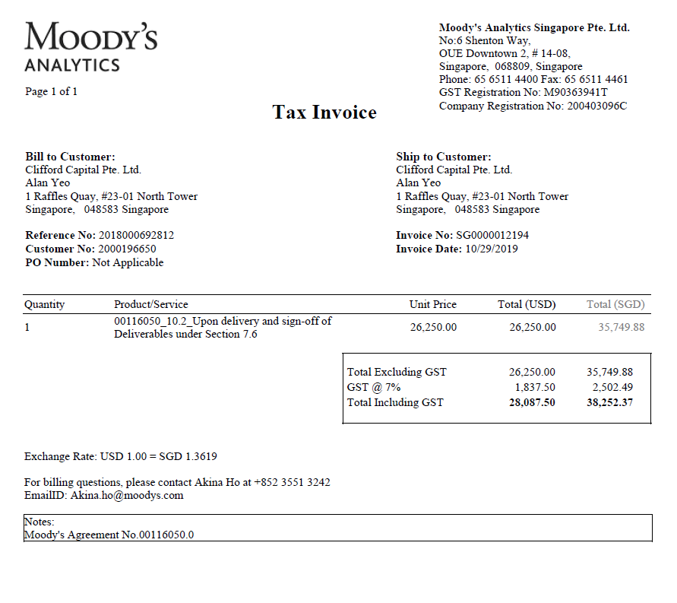

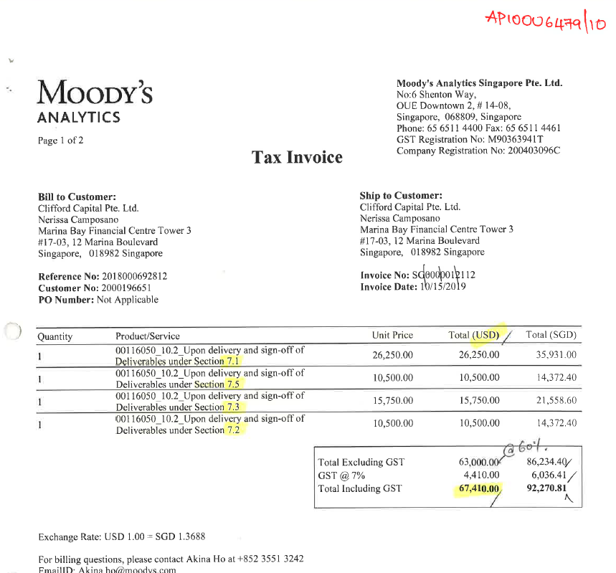

 |  |  |  |  |  |  |  | 0

Prepay cal log
 |  |  |  |  |  |  |  | Line amount - till Previous year deferred amount
 |  |  |  |  |  |  |  | Need not to show |  | Period Wise |  |  |  |  |  |  |  |  |  |  |  | Need not to show | G-(H-V) | Note
 | Vendor | Start Date | End date | Description | Accounting Period | Invoice Number | Line amount in USD | Deferred Amount till Previous year end | Remaining Balance | 2021-01-01 | 2021-02-01 | 2021-03-01 | 2021-04-01 | 2021-05-01 | 2021-06-01 | 2021-07-01 | 2021-08-01 | 2021-09-01 | 2021-10-01 | 2021-11-01 | 2021-12-01 | Deferred in current period | Ending Balance
 | OE Asia Pacific & Middle East Pte. Ltd. | 2020-06-01 | 2021-02-28 | Subscription to Research Briefings | 2020-06-01 | SGIN-434 | 11859.93 | 9224.39 | 2635.54 | -1317.77 | -1317.77 |  |  |  |  |  |  |  |  |  |  | -2635.54 | 0
 | Data Connect | 2021-01-01 | 2021-03-31 | IT Service Contract | 2021-01-01 | 00105686 | 29309.43 | 0 | If zero remaining balance column should be blank | -9769.81 | -9769.81 | -9769.81 |  |  |  |  |  |  |  |  |  | -29309.43 | 0
 | Sentosa Golf Club | 2021-04-01 | 2022-03-31 | Sentosa golf membership for Clive | 2021-03-01 | SentosaGolf_2021 | 24088.25 | 0 | If zero remaining balance column should be blank |  |  |  | -2007.35 | -2007.35 | -2007.35 | -2007.35 | -2007.35 |  |  |  |  | -10036.75 | 14051.5 | When we check for Dec-21 period, then we can see correct 2021 ending balance as you see in your manual report

 | BreakUp for H Column
 | Period | Amount
 | 2020-06-01 | 1317.77
 | 2020-07-01 | 1317.77
 | 2020-08-01 | 1317.77
 | 2020-09-01 | 1317.77
 | 2020-10-01 | 1317.77
 | 2020-11-01 | 1317.77
 | 2020-12-01 | 1317.77
 | 2021-01-01 | 1317.77
 | 2021-02-01 | 1317.77

 | Scenario:

 | Jun-20 to May-21 USD column should show 12000
 | If report run by 2021 any period, whatever amount deferred by 2020 dec, we need to show in 'H' column.
 | Ex: USD column = 12,000 In Next Column - 7000 Required remaining balance column- USD column - H Column.

 | If incase transaction is Jan-21 to Jun-21, USD - 6000 next column- 0 Required remaining balance column = Blank

 | If incase transaction is Jun-21 to May-22, USD - 12000 Next column - 0 Required remaining - Blank
 | End column- Calculate till dec-21 (7000) . then subtract with Line amount . 12000-7000= 5 (This will be come as a 2022 opening balance(Next Column)

 |  |  |  |  |  |  |  | Line amount - till Previous year deferred amount
 |  |  |  |  |  |  |  | Need not to show |  | Period Wise |  |  |  |  |  |  |  |  |  |  |  | Need not to show | G-(H-V)
Type | Vendor | Start Date | End date | Description | Accounting Period | Invoice Number | Line amount in USD | Deferred Amount till Previous year end | Remaining Balance | 2021-01-01 | 2021-02-01 | 2021-03-01 | 2021-04-01 | 2021-05-01 | 2021-06-01 | 2021-07-01 | 2021-08-01 | 2021-09-01 | 2021-10-01 | 2021-11-01 | 2021-12-01 | Deferred in current period | Ending Balance
Standard | OE Asia Pacific & Middle East Pte. Ltd. | 2020-06-01 | 2021-02-28 | Subscription to Research Briefings | 2020-06-01 | SGIN-434 | 11859.93 | 9224.39 | 2635.54 | -1317.77 | -1317.77 |  |  |  |  |  |  |  |  |  |  | -2635.54 | 0
Standard | Data Connect | 2021-01-01 | 2021-03-31 | IT Service Contract | 2021-01-01 | 00105686 | 29309.43 | As the accounting period is Jan21 there is no link in previous years or periods so remaining balance should be blank. | 0 | -9769.81 | -9769.81 | -9769.81 |  |  |  |  |  |  |  |  |  | -29309.43 | 0
Credit Memo | RELX (SINGAPORE) PTE LTD | 2021-05-01 | 2021-12-31 | 4190004507_Prepayment Adj - LexisNexis for the legal subscription 31 May 2021 to 30 May 2022 | 2021-07-01 | 4190004507_Prepayment Adj | -8,691.53 | As the accounting period is Jan21 there is no link in previous years or periods so remaining balance should be blank. | 0 |  |  |  |  |  |  | 3259.32 | 1086.44 |  |  |  |  | 4345.76 | -4345.77
Standard | Data Connect Technologies Pte Ltd | 2021-01-01 | 2021-12-31 | Firewall Fortinet FW hardware and license renewal 31 Dec 2020 to 31 Dec 2021 | 2020-12-01 | 00105298 | 3205.13 | Accounting period is dec-20, and In the dec-20 zero deferred. So 3205.13 - 0 = 3205.13 | 3205.13 | -267.09 | -267.1 | -267.09 | -267.09 | -267.1 | -267.09 | -267.09 | -267.1 |  |  |  |  | -2136.75 | 1068.39
Standard | Data Connect Technologies Pte Ltd | 2021-01-01 | 2021-12-31 | Firewall Fortinet FW hardware and license renewal 31 Dec 2020 to 31 Dec 2021 (Onsite hardware loaner) | 2020-12-01 | 00105298 | 335.42 | Accounting period is dec-20, and In the dec-20 zero deferred. So 3205.13 - 0 = 3205.13 | 335.42 | -27.95 | -27.95 | -27.95 | -27.95 | -27.95 | -27.95 | -27.95 | -27.95 |  |  |  |  | -223.6 | 111.82

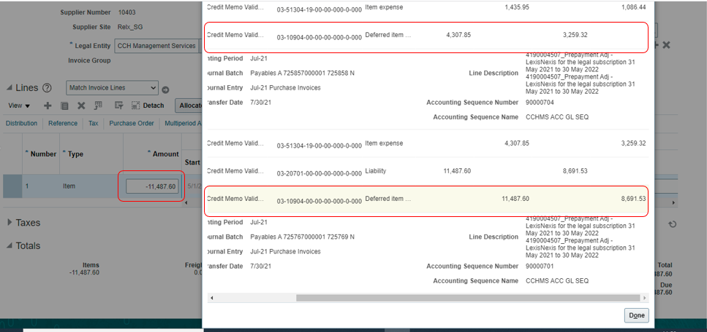

 |  |  |  |  |  | Credit Side
 |  |  |  |  |  | 8691.53

